Introduction
GridOptimal® Utility Program Criteria: Summary Data
Last updated: December 21, 2021
Introduction
This spreadsheet summarizes data about building-grid intergration measures from a variety of data sources, compiled by New Buildings Institute's GridOptimal team.
Hourly building profiles (8760 data) from a variety of research sources were evaluated to develop this data summary. Raw data included an 8760 profile for the baseline building in the modeling scenario and an 8760 profile for the same building with energy efficiency and/or demand flexibility strategies applied. Specific details of the baseline building and a description of each measure are provided in the summary tables.
Outputs are provided for four GridOptimal metrics: Grid Peak Contribution (GPC), Grid Carbon Alignment (GCA), Short-Term Demand Flexibility (ST DF), and Long-Term Demand Flexibility (LT DF). These numbers are on a 0-100 scale and a higher number is better. Values are not necessarily comparable across metrics (i.e., a GPC value of 50 is not necessarily equivalent to a GCA value of 50).
The building's estimated emissions (kg CO2) are calculated using NREL's 2021 Cambium Standard Scenarios. Forecasted hourly marginal carbon data (kg CO2/MWh) were averaged for forecast years 2036 through 2044 to develop a "decadal average" hourly grid carbon profile, which was then multiplied by the building's demand to obtain the estimated emissions.
Definitions
Adjusted Maxiumum Reference Demand (AMRD): the average of net building demand during the ten highest-demand hours of the year.
Coindcident AMRD: the average of net building demand during the ten highest-demand hours of the year that also fall within the top 5% of grid demand hours.
Grid Peak Contribution (GPC): Degree to which building demand contributes to load on the grid during system peak hours.
Grid Carbon Alignment (GCA): Degree to which the building demand contributes to upstream (grid) carbon emissions over a year.
Short-Term Demand Flexibility (ST DF): Building's ability to reduce demand (shed) for 1 hour.
Long-Term Demand Flexibility (LT DF): Building's ability to reduce demand (shed) for 4 hours.
If you have questions about the data contained in this spreadsheet, contact Alexi Miller with New Buildings Institute: alexi@newbuildings.org.
For more information about building-grid harmonization, including design guidance to help project teams identify ways to improve their GridOptimal scores, please visit the GridOptimal Buildings Initiative web page: https://newbuildings.org/resource/gridoptimal/

DOE GEB Addl data
DOE GEB Reference Data
Hourly building model data were provided by Jared Langevin, LBNL. The full summary of data characteristics can be found in the following journal article:
 | Langevin, Jared et. al. "U.S. building energy efficiency and flexibility as an electric grid resource." Joule. July 2021. https://doi.org/10.1016/j.joule.2021.06.002
A summary of the modeling outcome is summarized in the U.S. DOE's "A National Roadmap for Grid-Interactive Efficient Buildings", citation below:
 | U.S. DOE. "A National Roadmap for Grid-Interactive Efficient Buildings." Prepared by Building Technologies Office, May 2021. https://gebroadmap.lbl.gov/A%20National%20Roadmap%20for%20GEBs-20210712.pdf

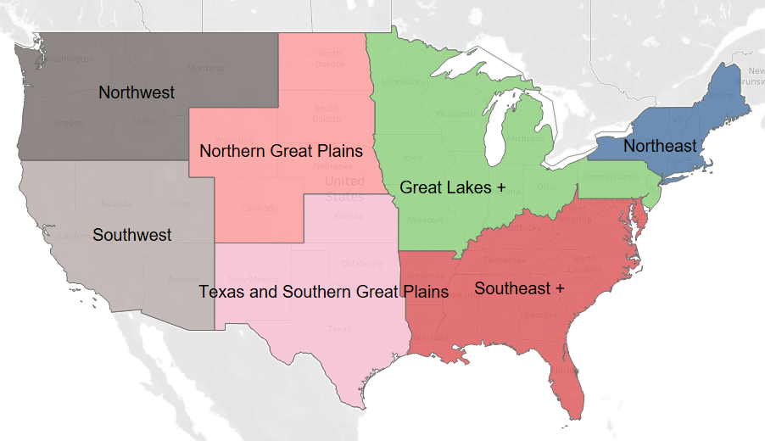
Summary of climate zone and utility data used for DOE GOB modeling
Each ASHRAE climate zone is characterized by a "Representative City", which defines the weather data for that climate zone. The EMM region dictates the peak hours that are used for demand flexibility measures. EMM regions were used to select the most relevant state to correlate to NREL's Cambium grid and carbon data, which is used for GridOptimal scoring. The table also shows which GridOptimal region the location falls in (see GridOptimal Design Guidance memos).
 | Climate | State | Version | CZ_Version | Representative weather city | EMM Reg. | Peak hours (summer)* | Peak hours (winter)* | GridOptimal Region
 | 2A | FL | 1 | 2A_1 | Tampa, FL | FRCC | 4-8PM | 5-9PM | Southeast
 | 2B | AZ | 1 | 2B_1 | Tucson, AZ | AZNM | 4-8PM | 5-9PM | Southwest
 | 3A | GA | 1 | 3A_1 | Atlanta, GA | SRVC | 6-10PM | 5-9PM | Southeast
 | 3A | OK | 2 | 3A_2 | Atlanta, GA | SPSO | 5-9PM | 5-9PM | Texas + Southern Great Plains
 | 3B | TX | 1 | 3B_1 | Midland, TX | ERCT | 5-9PM | 7-11PM | Texas + Southern Great Plains
 | 3C | CA | 1 | 3C_1 | San Diego, CA | CAMX | 6-10PM | 5-9PM | Southwest
 | 4A | NY | 1 | 4A_1 | New York City, NY | NYCW | 11AM-3PM | 4-8PM | Northeast
 | 4A | KS | 2 | 4A_2 | New York City, NY | SPNO | 5-9PM | 5-9PM | Texas + Southern Great Plains
 | 4B | NM | 1 | 4B_1 | Albuquerque, NM | AZNM | 4-8PM | 5-9PM | Texas + Southern Great Plains
 | 4C | WA | 1 | 4C_1 | Port Angeles, WA | NWPP | 4-8PM | 5-9PM | Northwest
 | 5A | NY | 1 | 5A_1 | Buffalo, NY | NYUP | 7-11PM | 5-9PM | Northeast
 | 5A | OH | 2 | 5A_2 | Buffalo, NY | RFCW | 1-5PM | 6-10PM | Great Lakes +
 | 5B | CO | 1 | 5B_1 | Denver, CO | RMPA | 4-8PM | 5-9PM | Northern Great Plains
 | 5C | WA | 1 | 5C_1 | Seattle, WA | NWPP | 4-8PM | 5-9PM | Northwest
 | 6A | MN | 1 | 6A_1 | Rochester, MN | MROW | 3-7PM | 6-10PM | Great Lakes +
 | 6A | ME | 2 | 6A_2 | Rochester, MN | NEWE | 12-4PM | 5-9PM | Northeast
 | 6B | MT | 1 | 6B_1 | Great Falls, MT | NWPP | 4-8PM | 5-9PM | Northwest
 | 7A | MN | 1 | 7A_1 | International Falls, MN | MROW | 3-7PM | 6-10PM | Great Lakes +

 | *Used to define the load shape for the GEB measures. For the GridOptimal analysis, grid peak hours are defined by NREL Cambium data (see Introduction for more details).

Summary of building type characteristics

 | Building Type |  | Total floor area (sf) | Number of floors | Fuel type | Building shape
 | Large Hotel |  | 122,132 | 6 + basement | Gas, electric | 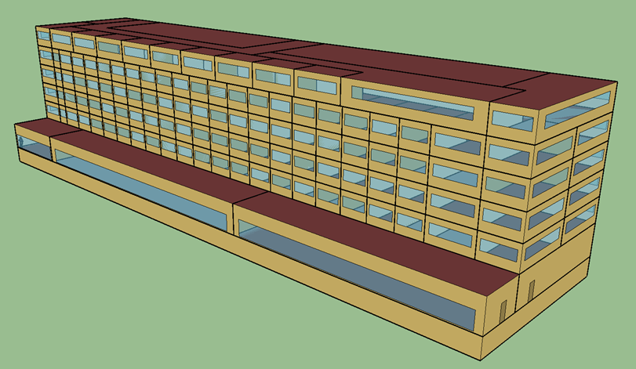
 | Large Office |  | 498,600 | 12 + basement | Gas, electric | 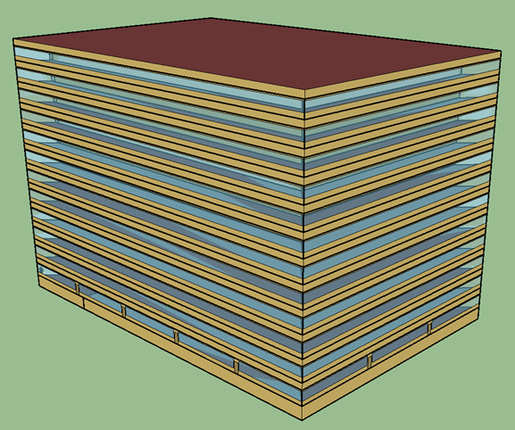
 | Medium Office |  | 53,600 | 3 | Gas, electric | 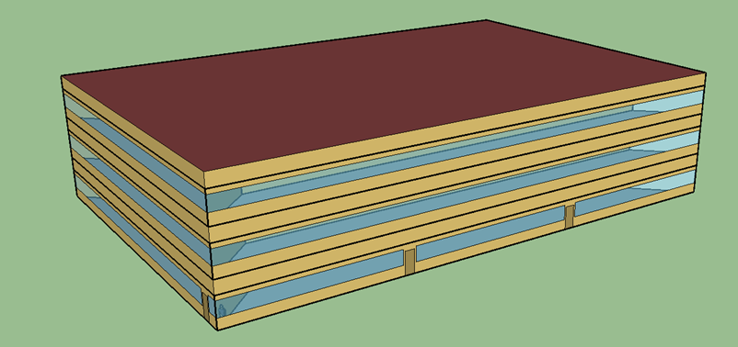
 | Retail (standalone) |  | 24,695 | 1 | Gas, electric | 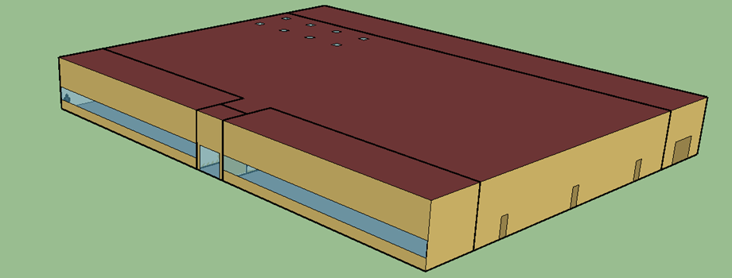
 | Warehouse |  | 49,495 | 1 | Gas, electric | 